Pivot Table
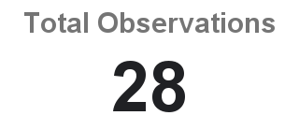

Charts
Ladybirds and Shieldbugs by Month
 | Type Shieldbug | Type Grand Total
Observations of Ladybird and Shieldbugs
 | COUNTA of Type

Monthly totals of Ladybirds and Shieldbugs
 | Month January | Month February

Dashboard
Observation Dashboard
Total Observations by Bug
Ladybirds and Shieldbugs by Month
 | Shieldbug | Ladybird

Monthly totals of Ladybirds and Shieldbugs
 | January | February

